Dashboard
OVERALL METRICS
Total Orders | 107
Total Revenue | INR 43,964.00
Average Order Value | INR 410.88

Monthly Expense
 | Revenue | Order Count
Jul-23 | INR 1,492.00 | 3
Aug-23 | INR 3,548.00 | 9
Sep-23 | INR 6,319.00 | 11
Oct-23 | INR 1,958.00 | 8
Nov-23 | INR 2,402.00 | 8
Dec-23 | INR 2,678.00 | 6
Jan-24 | INR 4,160.00 | 8
Feb-24 | INR 3,580.00 | 11
Mar-24 | INR 3,680.00 | 10
Apr-24 | INR 3,778.00 | 10
May-24 | INR 10,369.00 | 23

 | Total
Arekere | 4
Bellandur | 11
Bommanahalli | 4
BTM | 10
Devarabeesanahalli | 4
Hosapalaya | 3
HSR | 44
Indiranagar | 1
Jayanagar | 4
JP Nagar | 6
Koramangala | 14
Malleshwaram | 1
Yelahanka | 1

Most Popular Restaurant | Subway

Order Density Map
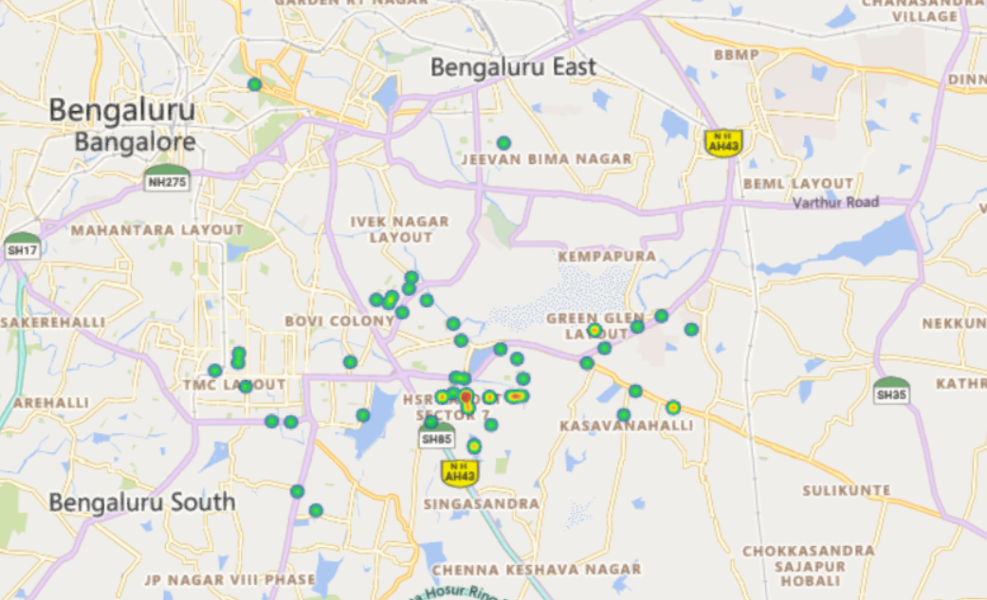

Most Re-Ordered Item | Single Lamb Cheese Burger

VEG & NON VEG ORDERS

 | Total
Non_Veg | 102
Veg | 68

Delivery Metrics
Average Distance per Delivery | 3.0
Average Delivery Time | 33.46 mins

ON TIME DELIVERY
 | Total
NO | 60
YES | 47

What % of the orders coupons were applied? (HW) |  | 71%
What % of the orders were delivered during rain? (HW) |  | 3%
All the above metrics at a restaurant and area area level (HW)
Area Wise Restaurants | Coupons Applied | Delivered In Rain
Arekere | 4 | 0
Firangi Bake | 1 | 0
Naalnaad Mane | 3 | 0
Bellandur | 11 | 2
Chowman | 1 | 0
Kairali Restaurant | 1 | 0
Kerala Panoor Restaurant | 1 | 0
La Pino'z Pizza | 1 | 0
NOTO - Ice Creams & Desserts | 1 | 0
Paratha Envy | 2 | 0
Paris Panini - Gourmet Sandwiches & Wraps | 2 | 2
Truffles | 2 | 0
Bommanahalli | 4 | 0
Tharavadu family restaurant | 4 | 0
BTM | 10 | 0
Firangi Bake | 2 | 0
Rasayan | 8 | 0
Devarabeesanahalli | 4 | 0
The Ganache Factory - Cakes & Desserts | 4 | 0
Hosapalaya | 3 | 0
Burger Seigneur | 3 | 0
HSR | 44 | 2
Asha tiffins | 1 | 0
Bowl Soul | 1 | 0
Daily Sushi | 5 | 0
Domino's Pizza | 1 | 0
Dosa Chicken & Tiffins | 2 | 0
Firangi Bake | 1 | 0
FreshMenu | 1 | 0
Frozen Bottle - Milkshakes, Desserts And Ice Cream | 1 | 0
HSR Freshcane Juice | 1 | 0
Imperio Restaurant | 2 | 2
Leon's - Burgers & Wings (Leon Grill) | 8 | 0
McDonald's | 1 | 0
Plan B | 2 | 0
Subway | 10 | 0
Table for Tous | 1 | 0
The Belgian Waffle Co. | 1 | 0
The Best Thickshakes Co | 1 | 0
The Himalayan Momo Company | 1 | 0
The Thick Shake Factory | 1 | 0
Theobroma | 1 | 0
Wow! Momo | 1 | 0
Indiranagar | 1 | 0
Burger Seigneur | 1 | 0
Jayanagar | 4 | 0
Daily Sushi | 1 | 0
The Ganache Factory - Cakes & Desserts | 2 | 0
Theobroma | 1 | 0
JP Nagar | 6 | 2
Homely | 1 | 2
Nandhana Palace | 1 | 0
Paris Panini - Gourmet Sandwiches & Wraps | 4 | 0
Koramangala | 14 | 0
Baba Ganoush | 1 | 0
Cafe Amudham | 2 | 0
Drunken Monkey | 1 | 0
Istah - The Mediterranean Way | 1 | 0
Nandhana Palace | 1 | 0
Paratha Envy | 1 | 0
Smoky Docky | 5 | 0
Subway | 1 | 0
The Thick Shake Factory | 1 | 0
Malleshwaram | 1 | 0
Love And Crumble | 1 | 0
Yelahanka | 1 | 0
Sundae Everyday Ice Creams | 1 | 0
Grand Total | 107 | 6

MoM Revenue
Month | Order Count | Revenue
Jul-23 | 3 | INR 1,492.00
Aug-23 | 9 | INR 3,548.00
Sep-23 | 11 | INR 6,319.00
Oct-23 | 8 | INR 1,958.00
Nov-23 | 8 | INR 2,402.00
Dec-23 | 6 | INR 2,678.00
Jan-24 | 8 | INR 4,160.00
Feb-24 | 11 | INR 3,580.00
Mar-24 | 10 | INR 3,680.00
Apr-24 | 10 | INR 3,778.00
May-24 | 23 | INR 10,369.00
Grand Total | 107 | 43964

